KKO
KAJIAN KELAYAKAN OPERASI

DAYA LAMA |  |  |  | DAYA BARU
Nama Pelanggan | : | PERUMAHAN PURI NIRWANA (PT HAMPARAN CIPTA GRIYA) |  | Nama Pelanggan | : | PERUMAHAN PURI NIRWANA (PT HAMPARAN CIPTA GRIYA)
Daya Lama (VA) | : | 0 |  | Daya Baru (VA) | : | 29900
Jumlah Fasa | : | 1 | * | Jumlah Fasa | : | 3
Tegangan Sekunder Pengukuran rata-rata (Fasa-Netral) (V) | : | 220 | * | Tegangan Sekunder Pengukuran rata-rata (Fasa-Netral) (V) | : | 380
Beban Pelanggan (A) | : | 0.00 |  | Beban Pelanggan (A) | : | 45.43

SUPLAI TRAFO EKSISTING |  |  |  | SUPLAI TRAFO RENCANA
Nomor Tiang | : |  |  | Nomor Tiang | : | SYG 06/51/24/9
Penyulang | : |  |  | Penyulang | : | SYG 06
Daya | : |  | * | Daya | : | 160
Jumlah Fasa | : |  | * | Jumlah Fasa | : | 3
Beban TRAFO (Pengukuran Lapangan) |  | 0 |  | Beban TRAFO | : | 45.43
Beban Primer | : | 0.00 | * | Beban Primer | : | 4.62
Beban Sekunder | : | 0.00 | * | Beban Sekunder | : | 243.09
Beban (A) | : | 0.00 |  | Beban (A) | : | 0.24
Prosentase Pembebanan | : | #DIV/0! |  | Beban (A) | : | 19%
 | 19% | 100%
Prosentase Pembebanan | : | 100% |  | Beban (A) | : | 100%

DATA





DATA
Tahun | : | 2022
Discount Rate | : | 12%
Transfer price TM | : | 1,084 |  | Marginal COST maret 2022
Umur ekonomis (tahun) | : | 25.00
Selisih Susut Teknis | : | 2.25%
∑ Daya | : | 30
BP (Rp) | : | 28,014,000
RAB (Rp) | : | 32,108,551
Biaya O&M (2% invest) | : | 642,171.03

Nama Pelanggan | : | PERUMAHAN PURI NIRWANA (PT HAMPARAN CIPTA GRIYA) | *
Golongan Pelanggan | : | R1 | *
Jenis Layanan | : | REGULER | *
Daya Lama (kVA) | : | - | *
Daya Baru (kVA) | : | 29.90 | *
Tarif WBP (Rp/kWh) | : | 1,444.70 | *
Tarif LWBP (Rp/kWh) | : | 1,444.70 | *
BP (Rp/VA) TR | : | 937 | *
Jam Nyala | : | 40 | *

RAB
 |  | PT. PLN ( PERSERO )
 |  | UNIT INDUK DISTRIBUSI JAWA TENGAH & DI YOGYAKARTA |  |  |  |  |  |  |  |  |  |  | RAB TOTAL
 |  | UP3 DEMAK |  |  |  |  |  |  |  |  |  | RAB TOTAL | RAB NON MDU
 | RENCANA ANGGARAN BIAYA (RAB)

 |  |  |  | Pekerjaan | : | PERUMAHAN PURI NIRWANA (PT HAMPARAN CIPTA GRIYA)
 |  |  |  | Lokasi | : | KARANGREJO, WONOSALAM, DEMAK
 |  |  |  | Pelaksana | : | PT. PLN (PERSERO) UP3 DEMAK
 |  |  |  | Anggaran | : | SAR 2023

Note !! 1. Saat Pengisian Uraian di mohon memasukan nama material sesuai dengan nama material di harga satuan
2. Mohon di cek kembali saat pengisian volume material
3. Untuk program Sarana Penunjang Fungsi tidak perlu SLO.
 | NO | URAIAN | GOL | SAT | VOL | HARGA SATUAN | BIAYA YANG DIPERLUKAN ( Rp )
 |  |  |  |  |  |  | MDU | HARDWARE | JASA | JUMLAH

 |  |  |  |  |  | 0 | 0 | 0 | 0 | 0
#REF! | I | PEMASANGAN TIANG |  |  |  | 0 | 0 | 0 | 0 | 0
 | 1 | Tiang Beton 9M-200 daN+E | HDW | Btg | 2 | 3,382,600 | 0 | 6,765,200 | 0 | 6,765,200 | #REF!
 | 2 | Penomoran Tiang | JASA | Btg | 2 | 10,067 | 0 | 0 | 20,133 | 20,133
 |  |  |  |  |  | 0 | 0 | 0 | 0 | 0
 | II | PEMASANGAN KONSTRUKSI |  |  |  | 0 | 0 | 0 | 0 | 0
 | + | CJ6-T |  | Unit | 2 | 0 | 0 | 0 | 0 | 0 | #REF!
 | 1 | Dead End Assembly | HDW | Bh | 2 | 78,500 | 0 | 157,000 | 0 | 157,000
 | 2 | Plastic Strap for Clamping | HDW | Bh | 2 | 4,212 | 0 | 8,424 | 0 | 8,424
 | 3 | Stainless Steel Strap 20 x 0.7 mm | HDW | Mtr | 2 | 23,310 | 0 | 46,620 | 0 | 46,620
 | 4 | Stopping Buckle / Yokes | HDW | Bh | 2 | 2,300 | 0 | 4,600 | 0 | 4,600
 | 5 | Upah Pasang Konst. JTR J6-T | JASA | Unit | 2 | 35,700 | 0 | 0 | 71,400 | 71,400
 |  |  |  |  |  | 0 | 0 | 0 | 0 | 0
 | + | CJ7-T |  | Unit | 1 | 0 | 0 | 0 | 0 | 0
 | 1 | Large Angle Assembly 50-70 mm² | HDW | Bh | 1 | 116,800 | 0 | 116,800 | 0 | 116,800
 | 2 | Plastic Strap for Clamping | HDW | Bh | 1 | 4,212 | 0 | 4,212 | 0 | 4,212
 | 3 | Stainless Steel Strap 20 x 0.7 mm | HDW | Mtr | 1 | 23,310 | 0 | 23,310 | 0 | 23,310
 | 4 | Stopping Buckle / Yokes | HDW | Bh | 1 | 2,300 | 0 | 2,300 | 0 | 2,300
 | 5 | Upah Pasang Konst. JTR J7-T | JASA | Unit | 1 | 30,700 | 0 | 0 | 30,700 | 30,700
 |  |  |  |  |  | 0 | 0 | 0 | 0 | 0
 | + | MJ6-T |  | Unit | 1 | 0 | 0 | 0 | 0 | 0
 | 1 | Insulating Tape | HDW | Bh | 1 | 3,965 | 0 | 3,965 | 0 | 3,965
 | 2 | Split Plastic Sleve ( Tutup Kabel ) | HDW | Bh | 1 | 3,711 | 0 | 3,711 | 0 | 3,711
 | 3 | Stainless Steel Strap 20 x 0.7 mm | HDW | Mtr | 1 | 23,310 | 0 | 23,310 | 0 | 23,310
 | 4 | Stopping Buckle / Yokes | HDW | Bh | 1 | 2,300 | 0 | 2,300 | 0 | 2,300
 | 5 | Upah Pasang Konst. JTR MJ6-T | JASA | Unit | 1 | 22,700 | 0 | 0 | 22,700 | 22,700
 |  |  |  |  |  | 0 | 0 | 0 | 0 | 0
 | + | CM2-12 |  | Unit | 2 | 0 | 0 | 0 | 0 | 0
 | 1 | Bimetalic Connector 35 - 240 mm² | HDW | Bh | 2 | 47,459 | 0 | 94,918 | 0 | 94,918
 | 2 | Ground wire Cu 16 mm² | HDW | Mtr | 1.6 | 30,000 | 0 | 48,000 | 0 | 48,000
 | 3 | Ground rod & Washer | HDW | Bh | 2 | 9,500 | 0 | 19,000 | 0 | 19,000
 | 4 | Upah Pasang Acc.Jar M2-12 | JASA | Unit | 2 | 16,200 | 0 | 0 | 32,400 | 32,400
 |  |  |  |  |  | 0 | 0 | 0 | 0 | 0
 | + | CE1-2 |  | Unit | 2 | 0 | 0 | 0 | 0 | 0
 | 1 | Bolt Machine ⅝" x 10" | HDW | Bh | 2 | 26,500 | 0 | 53,000 | 0 | 53,000
 | 2 | Guy Attachment / Guy hok | HDW | Bh | 2 | 12,500 | 0 | 25,000 | 0 | 25,000
 | 3 | Guy Wire 35 mm² | HDW | Mtr | 24 | 24,300 | 0 | 583,200 | 0 | 583,200
 | 4 | Three Bolt Clamp | HDW | Bh | 4 | 40,000 | 0 | 160,000 | 0 | 160,000
 | 5 | Washer Square 2 ¼" | HDW | Bh | 2 | 2,500 | 0 | 5,000 | 0 | 5,000
 | 6 | Upah Pasang Acc.Jar E1-2 | JASA | Unit | 2 | 43,500 | 0 | 0 | 87,000 | 87,000
 |  |  |  |  |  | 0 | 0 | 0 | 0 | 0
 | + | F1-2 |  | Unit | 2 | 0 | 0 | 0 | 0 | 0
 | 1 | Rod Anchor ⅝" x 7' | HDW | Bh | 2 | 104,200 | 0 | 208,400 | 0 | 208,400
 | 2 | Expanding Anchor 8.000 lbs | HDW | Bh | 2 | 120,000 | 0 | 240,000 | 0 | 240,000
 | 4 | Kousen | HDW | Bh | 2 | 4,500 | 0 | 9,000 | 0 | 9,000
 | 3 | Upah Pasang Acc.Jar F1-2 | JASA | Unit | 2 | 55,500 | 0 | 0 | 111,000 | 111,000

 | + | CM2-12A |  | Unit | 2 | 0 | 0 | 0 | 0 | 0
 | 1 | Bimetalic Connector 35 - 240 mm² | HDW | Bh | 2 | 47,459 | 0 | 94,918 | 0 | 94,918
 | 2 | Ground wire Cu 16 mm² | HDW | Mtr | 2 | 30,000 | 0 | 60,000 | 0 | 60,000
 | 3 | Ground rod & Washer | HDW | Bh | 2 | 9,500 | 0 | 19,000 | 0 | 19,000
#REF! | 4 | Upah Pasang Acc.Jar M2-12A | JASA | Unit | 2 | 21,200 | 0 | 0 | 42,400 | 42,400
 |  |  |  |  |  | 0 | 0 | 0 | 0 | 0
 | III | PEKERJAAN PEMASANGAN KONDUKTOR |  |  |  | 0 | 0 | 0 | 0 | 0
 | 1 | NFA2X-T 2 x 70 + N 70 mm² | MDU-KD | Mtr | 93 | 53,300 | 4,956,900 | 0 | 0 | 4,956,900
 | 2 | Upah Pasang Penghantar TR LVTC 2x70 + 1x50mm² | JASA | Per 50 m | 1.86 | 179,000 | 0 | 0 | 332,940 | 332,940
 | 3 | Compresion Conector H type 70 mm² / 70 mm² | HDW | Bh | 3 | 15,900 | 0 | 47,700 | 0 | 47,700
 | 4 | Pengepresan CCO | JASA | Bh | 3 | 13,770 | 0 | 0 | 41,310 | 41,310
 |  |  |  |  |  | 0 | 0 | 0 | 0 | 0 | #REF!
 | IV | PEMASANGAN APP |  |  |  | 0 | 0 | 0 | 0 | 0
 | + | Daya 1.300 VA |  | Unit | 23 | 0 | 0 | 0 | 0 | 0
 | 1 | KWH MPB; 1P;230V;5(60)A;1;2W | MDU-KD | Bh | 23 | 327,600 | 7,534,800 | 0 | 0 | 7,534,800
 | 2 | MCB 1 Fasa 6 A | MDU-KD | Bh | 23 | 39,000 | 897,000 | 0 | 0 | 897,000
 | 3 | NFA2X 2 x 10 mm² | MDU-KD | Mtr | 805 | 4,300 | 3,461,500 | 0 | 0 | 3,461,500
 | 4 | Upah Pasang SR + APP 1 Fasa | JASA | Unit | 23 | 54,400 | 0 | 0 | 1,251,200 | 1,251,200
 | 6 | Service Wedge Clamp 1 Fasa 6, 10, 16 mm² | HDW | Set | 23 | 3,888 | 0 | 89,424 | 0 | 89,424
 | 7 | Tap Connector Kedap Air ( 6-25 / 6-25 ) mm² | HDW | Set | 46 | 8,900 | 0 | 409,400 | 0 | 409,400
 |  |  |  |  |  | 0 | 0 | 0 | 0 | 0 | #REF!
 |  | SLO |  |  |  | 0 | 0 | 0 | 0 | 0
 | 1 | Sertifikasi Laik Operasi | JASA | Lot | 1 | 2.5% | 421,255 | 233,193 | 51,080 | 705,527
 |  |  |  |  |  |  | 0 | 0 | 0 | 0

 |  | Jumlah MDU - Hardware - Jasa |  |  |  | : | 17,271,455 | 9,560,905 | 2,094,263 | 28,926,623
 |  | PPN 11% |  |  |  | : | 1,899,860 | 1,051,700 | 230,369 | 3,181,929
 |  | Jumlah Total |  |  |  | : | 19,171,315 | 10,612,605 | 2,324,632 | 32,108,551 | 201,265,205
 | Terbilang : Tiga Puluh Dua Juta Seratus Delapan Ribu Lima Ratus Lima Puluh Satu Rupiah

 | Harga yang dipakai adalah RAB HSS 2023

 |  |  |  |  |  |  |  | Demak, 8 September 2023
 |  |  |  |  |  |  |  | ASMAN PERENCANAAN

 |  |  |  |  |  |  |  | VALENTHINA EKA SABTI WONOHUSODO

GAMBAR
-6.916986, 110.615128 | PT. PLN (PERSERO) UP3 DEMAK

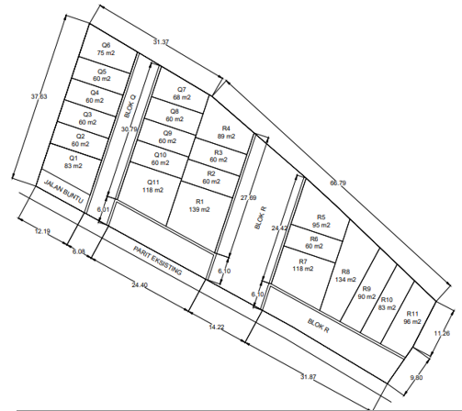
 | Keterangan Gambar :
 | No | Nama Material |  |  | Baru |  | Eksisting
 | 1 | Tiang Beton
 | 2 | Tiang Besi
 | 3 | JTM 3 Fasa
 | 4 | JTM 1 Fasa
 | 5 | JTR 1 Fasa Only / UB
 | 6 | JTR 3 Fasa Only / UB
 | 7 | Trafo 1 Fasa
 | 8 | Trafo 3 Fasa
s
s
 | 9 | Fuse Cut Out
 | 10 | ABSW
 | 11 | Vang Net
 | 12 | Schoor
 | 13
T5-351/22/10-...
1 C9-200 daN
1 CJ6-T
1 MJ6-T
1 CE1-2
1 F1-2
1 CM2-12A
1 CM2-12
40 m
T5-351/22/10-...
1 C9-200 daN
1 CJ7-T
1 CE1-2
1 F1-2
1 CM2-12A
1 CM2-12
 | Bongkar Pasang Konstruksi :
 | Pasang |  |  |  | Bongkar
 | C9-200 daN |  | Btg | 2
 | CJ6-T |  | U | 1
 | CJ7-T |  | U | 2
 | MJ6-T |  | U | 1
 | CM2-12 |  | U | 2
 | CE1-2 |  | U | 2
 | F1-2 |  | U | 2
53 m
 | CM2-12A |  | U | 2
 | LVTC 2x70+70 mm2 |  | Mtr | 93
T5-351/22/10-...
C9-200 daN
1 CJ7-T
1 CE1-2
1 F1-2
1 CM2-12A
1 CM2-12
1 CJ6-T

T5-351/22/10
C12-200 daN
1 CA5
1 CJ7-T
1 CE1-2
1 F1-2
1 CM2-12A
1 CM2-12
1 CG106
2 CM2-11M
1 CJ6-T

 | Keterangan Tambahan :

 | Golongan
 | No. Gambar |  | 1 |  |  | Lembar |  | dr
 | Gambar dari |  |  |  |  | Skala
 | Perihal:
 | PERUMAHAN PURI NIRWANA (PT HAMPARAN CIPTA GRIYA)

 | Digambar |  | Staff
 | Diperiksa |  | TL Rensis
 | Diketahui |  | TL Rensis
 | Disetujui |  | Asman Perencanaan

Peta lokasi
PETA LOKASI PERUMAHAN PURI NIRWANA (PT HAMPARAN CIPTA GRIYA)

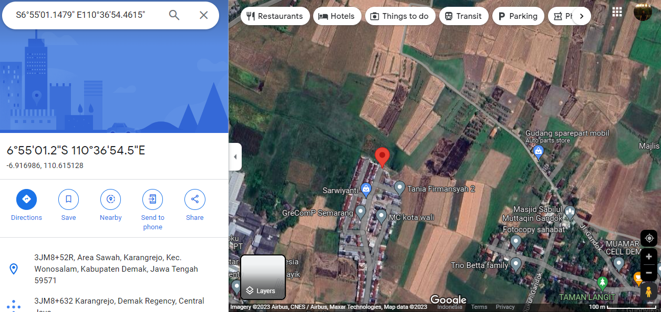

LOKASI PEMOHON

SLD

SINGLE LINE DIAGRAM LOKASI

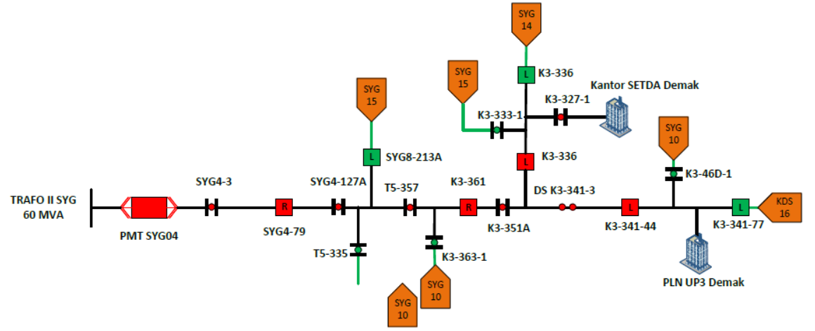
LOKASI PEMOHON

